Correlated
Field: 'An' and Field: 'Am' appear highly correlated with 5 outliers.
 | A-M
1.12 | 0.52
1.07 | 0.58
0.22 | 0.13
0.97 | 0.38
2.34 | 1.49
0.77 | 0.63
2.11 | 1.50
1.73 | 1.72
0.77 | 1.00
1.40 | 1.59
2.20 | 1.79
2.71 | 1.72
1.80 | 1.44
3.01 | 2.19
1.87 | 1.04
0.58 | 0.39
1.21 | 0.84
0.74 | 0.58
0.54 | 0.58
1.24 | 0.87
0.55 | 0.65
0.46 | 0.41
3.41 | 2.07
1.34 | 1.00
2.50 | 2.25
2.51 | 2.15
4.84 | 3.31
4.78 | 3.18
0.99 | 0.71
1.65 | 1.74
0.91 | 0.79
0.98 | 0.62
2.80 | 2.51
2.96 | 2.50
0.88 | 0.80
4.15 | 3.33
3.09 | 3.07
3.37 | 3.05
3.93 | 4.03
3.31 | 3.31
3.05 | 2.86
1.97 | 2.18
1.89 | 1.28
2.59 | 1.74
1.72 | 1.25
1.25 | 0.82
1.61 | 1.11
1.09 | 0.97
2.87 | 2.45
3.22 | 3.03
...
Field: Ae and Field: Am appear highly correlated.
 | A-M
1.15 | 0.52
1.61 | 0.58
0.51 | 0.13
0.99 | 0.38
3.98 | 1.49
1.15 | 0.63
3.00 | 1.50
1.62 | 1.72
0.89 | 1.00
1.33 | 1.59
1.77 | 1.79
3.06 | 1.72
1.73 | 1.44
4.08 | 2.19
2.19 | 1.04
0.58 | 0.39
1.44 | 0.84
0.60 | 0.58
0.27 | 0.58
1.34 | 0.87
0.83 | 0.65
0.56 | 0.41
2.71 | 2.07
1.32 | 1.00
2.10 | 2.25
2.30 | 2.15
4.74 | 3.31
4.67 | 3.18
0.91 | 0.71
1.09 | 1.74
1.23 | 0.79
0.89 | 0.62
2.64 | 2.51
2.96 | 2.50
1.38 | 0.80
2.25 | 3.33
2.99 | 3.07
1.59 | 3.05
5.02 | 4.03
1.69 | 3.31
3.17 | 2.86
1.18 | 2.18
3.05 | 1.28
2.52 | 1.74
2.89 | 1.25
1.60 | 0.82
1.35 | 1.11
1.89 | 0.97
4.15 | 2.45
4.28 | 3.03
...

Field: Ae and Field: An appear highly correlated.
 | A-N
1.15 | 1.12
1.61 | 1.07
0.51 | 0.22
0.99 | 0.97
3.98 | 2.34
1.15 | 0.77
3.00 | 2.11
1.62 | 1.73
0.89 | 0.77
1.33 | 1.40
1.77 | 2.20
3.06 | 2.71
1.73 | 1.80
4.08 | 3.01
2.19 | 1.87
0.58 | 0.58
1.44 | 1.21
0.60 | 0.74
0.27 | 0.54
1.34 | 1.24
0.83 | 0.55
0.56 | 0.46
2.71 | 3.41
1.32 | 1.34
2.10 | 2.50
2.30 | 2.51
4.74 | 4.84
4.67 | 4.78
0.91 | 0.99
1.09 | 1.65
1.23 | 0.91
0.89 | 0.98
2.64 | 2.80
2.96 | 2.96
1.38 | 0.88
2.25 | 4.15
2.99 | 3.09
1.59 | 3.37
5.02 | 3.93
1.69 | 3.31
3.17 | 3.05
1.18 | 1.97
3.05 | 1.89
2.52 | 2.59
2.89 | 1.72
1.60 | 1.25
1.35 | 1.61
1.89 | 1.09
4.15 | 2.87
4.28 | 3.22
...
'δ' and 'Ae' appear to form a cluster with 2 outliers.
 | A-E
2.90 | 1.15
5.02 | 1.61
0.91 | 0.51
2.04 | 0.99
6.06 | 3.98
2.24 | 1.15
6.27 | 3.00
4.08 | 1.62
3.33 | 0.89
4.81 | 1.33
4.60 | 1.77
7.81 | 3.06
4.79 | 1.73
7.92 | 4.08
2.79 | 2.19
1.75 | 0.58
2.66 | 1.44
2.06 | 0.60
1.76 | 0.27
3.68 | 1.34
2.38 | 0.83
2.27 | 0.56
6.44 | 2.71
3.01 | 1.32
4.42 | 2.10
4.57 | 2.30
8.49 | 4.74
8.89 | 4.67
2.33 | 0.91
3.32 | 1.09
4.16 | 1.23
3.96 | 0.89
5.84 | 2.64
6.21 | 2.96
9.31 | 1.38
6.59 | 2.25
8.50 | 2.99
5.35 | 1.59
9.18 | 5.02
5.70 | 1.69
7.11 | 3.17
4.57 | 1.18
0.55 | 3.05
7.61 | 2.52
2.88 | 2.89
3.86 | 1.60
3.71 | 1.35
2.13 | 1.89
4.37 | 4.15
7.00 | 4.28
...

'M' by 'T'
32.01 | 22.50
32.14 | 22.55
24.44 | 4.39
24.60 | 2.87
30.52 | 20.55
32.48 | 25.94
30.35 | 25.95
32.55 | 38.30
34.65 | 22.36
35.47 | 22.76
30.58 | 29.50
31.21 | 23.66
33.07 | 25.74
33.81 | 26.42
32.15 | 25.47
33.14 | 22.86
33.20 | 25.84
33.27 | 25.98
32.34 | 25.60
32.99 | 24.59
34.72 | 31.04
34.90 | 29.92
34.14 | 34.35
34.27 | 30.29
33.39 | 28.47
33.50 | 23.66
34.68 | 26.59
34.91 | 23.37
35.04 | 28.17
35.08 | 38.35
32.26 | 32.24
32.68 | 36.00
30.93 | 26.21
31.76 | 21.35
33.86 | 14.26
34.16 | 32.02
34.21 | 27.13
34.50 | 32.38
34.56 | 18.15
35.91 | 33.86
34.20 | 23.29
34.20 | 26.02
32.51 | 21.91
32.97 | 31.48
31.30 | 15.31
30.55 | 12.63
32.26 | 26.93
33.19 | 27.26
31.21 | 30.43
31.52 | 43.02
...
'M' and 'T' appear to form a cluster with 3 outliers.
 | T
22.50 | 32.01
22.55 | 32.14
4.39 | 24.44
2.87 | 24.60
20.55 | 30.52
25.94 | 32.48
25.95 | 30.35
38.30 | 32.55
22.36 | 34.65
22.76 | 35.47
29.50 | 30.58
23.66 | 31.21
25.74 | 33.07
26.42 | 33.81
25.47 | 32.15
22.86 | 33.14
25.84 | 33.20
25.98 | 33.27
25.60 | 32.34
24.59 | 32.99
31.04 | 34.72
29.92 | 34.90
34.35 | 34.14
30.29 | 34.27
28.47 | 33.39
23.66 | 33.50
26.59 | 34.68
23.37 | 34.91
28.17 | 35.04
38.35 | 35.08
32.24 | 32.26
36.00 | 32.68
26.21 | 30.93
21.35 | 31.76
14.26 | 33.86
32.02 | 34.16
27.13 | 34.21
32.38 | 34.50
18.15 | 34.56
33.86 | 35.91
23.29 | 34.20
26.02 | 34.20
21.91 | 32.51
31.48 | 32.97
15.31 | 31.30
12.63 | 30.55
26.93 | 32.26
27.26 | 33.19
30.43 | 31.21
43.02 | 31.52
...

'M' and 'Ac' appear to form a cluster with 4 outliers.
 | A-C
22.50 | 0.76
22.55 | 0.78
4.39 | 0.23
2.87 | 0.47
20.55 | 0.72
25.94 | 0.73
25.95 | 1.33
38.30 | 0.92
22.36 | 1.99
22.76 | 2.24
29.50 | 0.87
23.66 | 1.25
25.74 | 1.20
26.42 | 1.44
25.47 | 0.69
22.86 | 0.44
25.84 | 0.65
25.98 | 0.54
25.60 | 0.56
24.59 | 1.16
31.04 | 0.57
29.92 | 0.61
34.35 | 1.59
30.29 | 1.63
28.47 | 1.05
23.66 | 0.71
26.59 | 2.12
23.37 | 2.28
28.17 | 1.08
38.35 | 1.89
32.24 | 0.85
36.00 | 0.91
26.21 | 1.71
21.35 | 1.41
14.26 | 0.47
32.02 | 1.62
27.13 | 2.15
32.38 | 1.47
18.15 | 0.61
33.86 | 1.57
23.29 | 1.39
26.02 | 1.26
21.91 | 0.84
31.48 | 1.49
15.31 | 0.58
12.63 | 0.64
26.93 | 0.84
27.26 | 0.82
30.43 | 1.22
43.02 | 1.47
...
'Ae' and 'BMI index' appear to form a cluster with 2 outliers.
 | BMI_index
1.15 | 21.777777778
1.61 | 21.777777778
0.51 | 23.046875
0.99 | 23.046875
3.98 | 23.046875
1.15 | 23.046875
3.00 | 26.297577855
1.62 | 26.297577855
0.89 | 26.297577855
1.33 | 26.297577855
1.77 | 23.875432526
3.06 | 23.875432526
1.73 | 23.875432526
4.08 | 23.875432526
2.19 | 27.996728138
0.58 | 27.996728138
1.44 | 26.19618735
0.60 | 26.19618735
0.27 | 21.484375
1.34 | 21.484375
0.83 | 30.818540434
0.56 | 30.818540434
2.71 | 28.702040816
1.32 | 28.702040816
2.10 | 28.930612245
2.30 | 28.930612245
4.74 | 25.986129766
4.67 | 25.986129766
0.91 | 25.986129766
1.09 | 25.986129766
1.23 | 25.760967623
0.89 | 25.760967623
2.64 | 27.887617066
2.96 | 27.887617066
1.38 | 27.887617066
2.25 | 27.887617066
2.99 | 27.887617066
1.59 | 27.887617066
5.02 | 27.887617066
1.69 | 27.887617066
3.17 | 27.887617066
1.18 | 27.887617066
3.05 | 38.65875594
2.52 | 38.65875594
2.89 | 38.65875594
1.60 | 38.65875594
1.35 | 23.828125
1.89 | 23.828125
4.15 | 25.081124932
4.28 | 25.081124932
...

'Ae' and 'Ar' appear to form a cluster with 2 outliers.
 | A-R
1.15 | 0.51
1.61 | 0.46
0.51 | 0.08
0.99 | 0.11
3.98 | 0.47
1.15 | 0.62
3.00 | 1.01
1.62 | 0.96
0.89 | 0.91
1.33 | 1.65
1.77 | 0.63
3.06 | 0.86
1.73 | 0.56
4.08 | 0.96
2.19 | 0.52
0.58 | 0.39
1.44 | 0.63
0.60 | 0.42
0.27 | 0.58
1.34 | 0.59
0.83 | 0.47
0.56 | 0.50
2.71 | 1.23
1.32 | 1.12
2.10 | 0.84
2.30 | 0.73
4.74 | 0.92
4.67 | 0.92
0.91 | 0.57
1.09 | 0.73
1.23 | 0.65
0.89 | 0.58
2.64 | 1.07
2.96 | 0.82
1.38 | 0.51
2.25 | 1.36
2.99 | 1.66
1.59 | 1.00
5.02 | 1.48
1.69 | 1.18
3.17 | 1.03
1.18 | 1.17
3.05 | 0.75
2.52 | 1.18
2.89 | 0.66
1.60 | 0.74
1.35 | 0.43
1.89 | 0.47
4.15 | 1.08
4.28 | 1.16
...
'Am' and 'Ar' appear to form a cluster with 1 outlier.
 | A-R
0.52 | 0.51
0.58 | 0.46
0.13 | 0.08
0.38 | 0.11
1.49 | 0.47
0.63 | 0.62
1.50 | 1.01
1.72 | 0.96
1.00 | 0.91
1.59 | 1.65
1.79 | 0.63
1.72 | 0.86
1.44 | 0.56
2.19 | 0.96
1.04 | 0.52
0.39 | 0.39
0.84 | 0.63
0.58 | 0.42
0.58 | 0.58
0.87 | 0.59
0.65 | 0.47
0.41 | 0.50
2.07 | 1.23
1.00 | 1.12
2.25 | 0.84
2.15 | 0.73
3.31 | 0.92
3.18 | 0.92
0.71 | 0.57
1.74 | 0.73
0.79 | 0.65
0.62 | 0.58
2.51 | 1.07
2.50 | 0.82
0.80 | 0.51
3.33 | 1.36
3.07 | 1.66
3.05 | 1.00
4.03 | 1.48
3.31 | 1.18
2.86 | 1.03
2.18 | 1.17
1.28 | 0.75
1.74 | 1.18
1.25 | 0.66
0.82 | 0.74
1.11 | 0.43
0.97 | 0.47
2.45 | 1.08
3.03 | 1.16
...

'δ' and 'Ac' appear to form a cluster with 2 outliers.
 | A-C
2.90 | 0.76
5.02 | 0.78
0.91 | 0.23
2.04 | 0.47
6.06 | 0.72
2.24 | 0.73
6.27 | 1.33
4.08 | 0.92
3.33 | 1.99
4.81 | 2.24
4.60 | 0.87
7.81 | 1.25
4.79 | 1.20
7.92 | 1.44
2.79 | 0.69
1.75 | 0.44
2.66 | 0.65
2.06 | 0.54
1.76 | 0.56
3.68 | 1.16
2.38 | 0.57
2.27 | 0.61
6.44 | 1.59
3.01 | 1.63
4.42 | 1.05
4.57 | 0.71
8.49 | 2.12
8.89 | 2.28
2.33 | 1.08
3.32 | 1.89
4.16 | 0.85
3.96 | 0.91
5.84 | 1.71
6.21 | 1.41
9.31 | 0.47
6.59 | 1.62
8.50 | 2.15
5.35 | 1.47
9.18 | 0.61
5.70 | 1.57
7.11 | 1.39
4.57 | 1.26
0.55 | 0.84
7.61 | 1.49
2.88 | 0.58
3.86 | 0.64
3.71 | 0.84
2.13 | 0.82
4.37 | 1.22
7.00 | 1.47
...
'Ar' and 'Ac' appear to form a cluster with 4 outliers.
 | A-C
0.51 | 0.76
0.46 | 0.78
0.08 | 0.23
0.11 | 0.47
0.47 | 0.72
0.62 | 0.73
1.01 | 1.33
0.96 | 0.92
0.91 | 1.99
1.65 | 2.24
0.63 | 0.87
0.86 | 1.25
0.56 | 1.20
0.96 | 1.44
0.52 | 0.69
0.39 | 0.44
0.63 | 0.65
0.42 | 0.54
0.58 | 0.56
0.59 | 1.16
0.47 | 0.57
0.50 | 0.61
1.23 | 1.59
1.12 | 1.63
0.84 | 1.05
0.73 | 0.71
0.92 | 2.12
0.92 | 2.28
0.57 | 1.08
0.73 | 1.89
0.65 | 0.85
0.58 | 0.91
1.07 | 1.71
0.82 | 1.41
0.51 | 0.47
1.36 | 1.62
1.66 | 2.15
1.00 | 1.47
1.48 | 0.61
1.18 | 1.57
1.03 | 1.39
1.17 | 1.26
0.75 | 0.84
1.18 | 1.49
0.66 | 0.58
0.74 | 0.64
0.43 | 0.84
0.47 | 0.82
1.08 | 1.22
1.16 | 1.47
...

'M' and 'Ac' appear to form a cluster with 4 outliers.
 | A-C
22.50 | 0.76
22.55 | 0.78
4.39 | 0.23
2.87 | 0.47
20.55 | 0.72
25.94 | 0.73
25.95 | 1.33
38.30 | 0.92
22.36 | 1.99
22.76 | 2.24
29.50 | 0.87
23.66 | 1.25
25.74 | 1.20
26.42 | 1.44
25.47 | 0.69
22.86 | 0.44
25.84 | 0.65
25.98 | 0.54
25.60 | 0.56
24.59 | 1.16
31.04 | 0.57
29.92 | 0.61
34.35 | 1.59
30.29 | 1.63
28.47 | 1.05
23.66 | 0.71
26.59 | 2.12
23.37 | 2.28
28.17 | 1.08
38.35 | 1.89
32.24 | 0.85
36.00 | 0.91
26.21 | 1.71
21.35 | 1.41
14.26 | 0.47
32.02 | 1.62
27.13 | 2.15
32.38 | 1.47
18.15 | 0.61
33.86 | 1.57
23.29 | 1.39
26.02 | 1.26
21.91 | 0.84
31.48 | 1.49
15.31 | 0.58
12.63 | 0.64
26.93 | 0.84
27.26 | 0.82
30.43 | 1.22
43.02 | 1.47
...
'An' and 'Ac' appear to form a cluster with 5 outliers.
 | A-C
1.12 | 0.76
1.07 | 0.78
0.22 | 0.23
0.97 | 0.47
2.34 | 0.72
0.77 | 0.73
2.11 | 1.33
1.73 | 0.92
0.77 | 1.99
1.40 | 2.24
2.20 | 0.87
2.71 | 1.25
1.80 | 1.20
3.01 | 1.44
1.87 | 0.69
0.58 | 0.44
1.21 | 0.65
0.74 | 0.54
0.54 | 0.56
1.24 | 1.16
0.55 | 0.57
0.46 | 0.61
3.41 | 1.59
1.34 | 1.63
2.50 | 1.05
2.51 | 0.71
4.84 | 2.12
4.78 | 2.28
0.99 | 1.08
1.65 | 1.89
0.91 | 0.85
0.98 | 0.91
2.80 | 1.71
2.96 | 1.41
0.88 | 0.47
4.15 | 1.62
3.09 | 2.15
3.37 | 1.47
3.93 | 0.61
3.31 | 1.57
3.05 | 1.39
1.97 | 1.26
1.89 | 0.84
2.59 | 1.49
1.72 | 0.58
1.25 | 0.64
1.61 | 0.84
1.09 | 0.82
2.87 | 1.22
3.22 | 1.47
...

Mann-Whitney U test
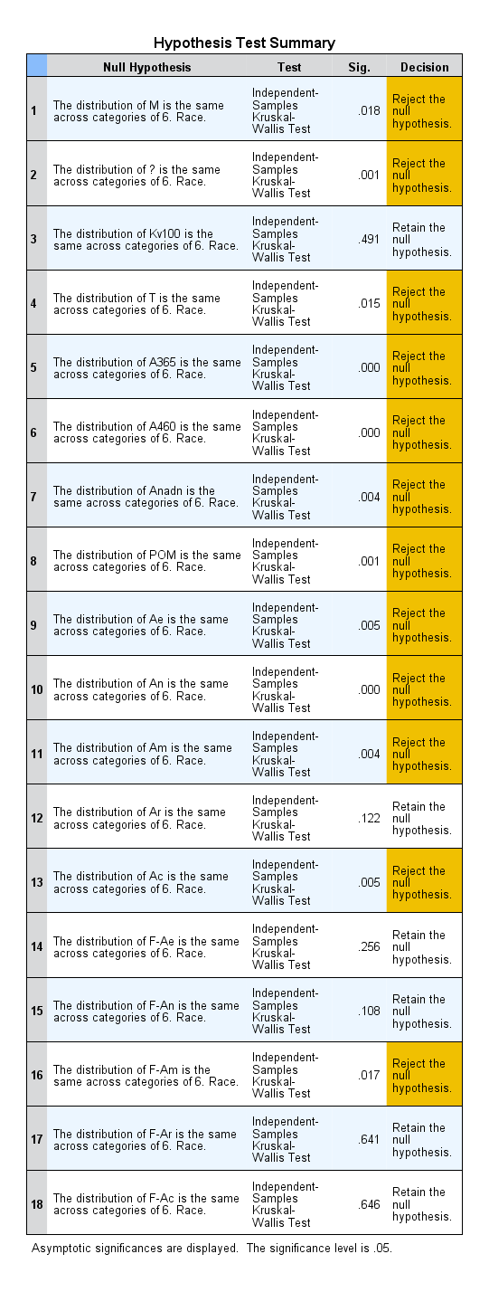
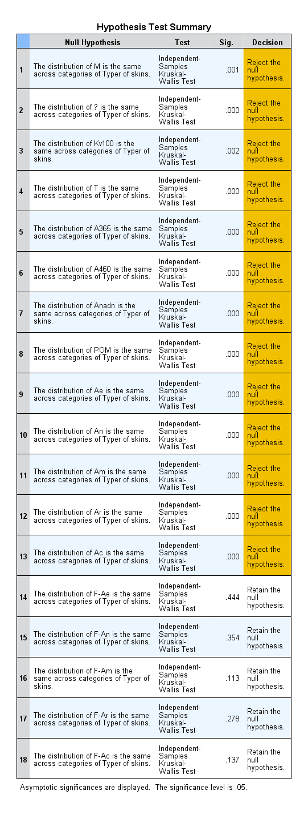
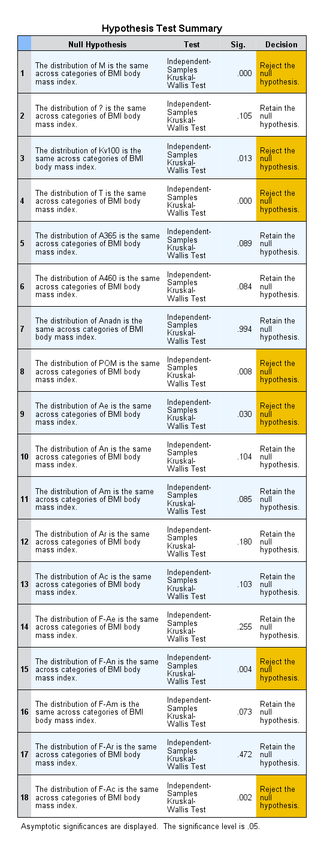
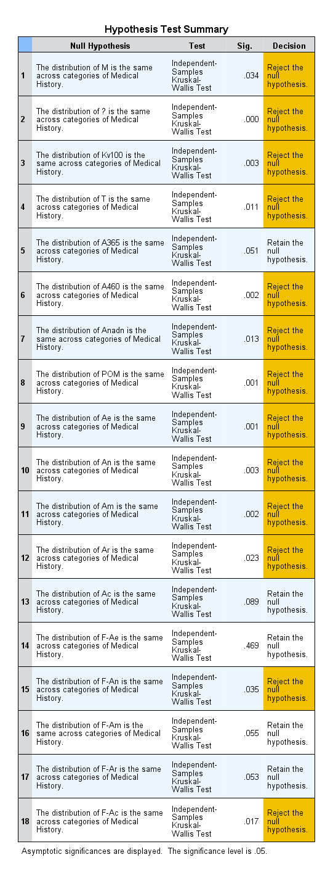
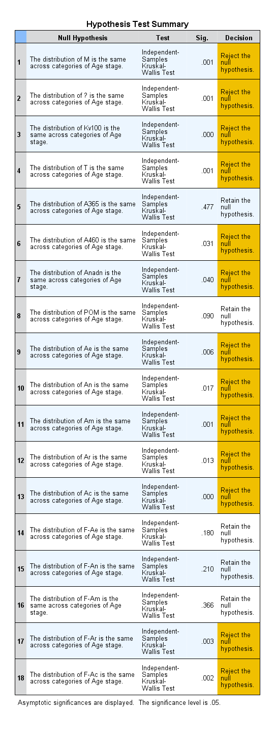

Suggestion1
'5. Ethnicity': Vietnam has noticeably higher 'δ'.
5. Ethnicity | Sum of δ
Vietnam | 277.54
Pakistan | 122.19
India | 112.91
Russia | 72.79
Bristish | 64.87
China | 40.27
Indonesia | 39.73
Brazil | 34.99
Malaysia | 29.66
British | 24.56
Mexico | 23.03
Algeria | 21.69
Kjastan | 17.73
Kenya | 14.77
Iran | 11.58
Iraq | 9.45
Nigeria | 8.83
Spain | 5.72
Jamaica | 5.36
Grand Total | 937.67

Suggestion2
'5. Ethnicity': Vietnam has noticeably higher 'A365'.
5. Ethnicity | Sum of A365
Vietnam | 8288.00
Pakistan | 2256.00
Russia | 1520.00
Bristish | 1174.00
India | 995.00
China | 699.00
Brazil | 692.00
Indonesia | 668.00
British | 601.00
Kjastan | 478.00
Algeria | 397.00
Mexico | 296.00
Malaysia | 274.00
Spain | 231.00
Iraq | 229.00
Iran | 213.00
Jamaica | 66.00
Nigeria | 41.00
Kenya | 6.00
Grand Total | 19124.00

